Workbook Tips
This TAB contains Helpful Tips for Working with the MSDE Budget Forms Templates. For additional information users should contact their fiscal grants liaison or access http://www.marylandpublicschools.org/programs/Pages/Special-Education/rmmb/Grants/PartB/index.aspx. |  |  |  | Select LSS/PA

 | Maryland State Department of Education
 | Division of Early Intervention and Special Education Services

Helpful Tips - Working with the Forms Templates
 | 1. To ensure that you are accessing the most crrent verion of the Budget Forms, download the forms from the Submissions Calendar at http://www.marylandpublicschools.org/programs/Pages/Special-Education/rmmb/Grants/PartB/index.aspx.
 | 2. Before entering data into these forms, NAME and SAVE (FILE on the toolbar, select SAVE AS) to Store this workbook to your local drive. Once SAVED, you may enter data. RENAME and SAVE the workbook each time it is used.
 | 3. Each worksheet in the workbook has been identified by the tab at the bottom of this window. If the tab is not visible, maximize the window at the upper right top corner of the toolbar of the page.

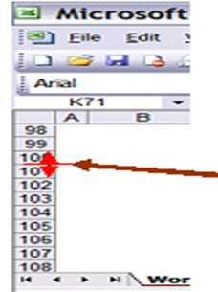
 | 4. To navigate through the forms, TAB (tab key on the keyboard) to each fillable box. Each box/cell has bee formatted to accommodate the required data.
 | 5. Formulas have been arranged to calculate automatically. Always check the accuracy of the pre-formatted formulas in case of change during data entry.
 |  | To Increase Row Height:
 |  |  | Under Format in the Toolbar, select Row, then Row Height. Increase the size of the row until you can view all of the narrative. Or

 |  |  | On the row number line bar at the left side of the workbook, place the cursor between the 2 lines until the cursor forms a cross. Use the mouse to right "click", hold and drag the cursor down until the row height you require has been achieved to view all data.
 | 6. To print the sheet, consider how the data will work on the printed page. The worksheets are set up in portrait mode. Please confirm that all signature arrears appear on additional pages, if applicable.

