Title Page
This is the title page of the MSDE, DEI/SES, Grants Submissions Workbook - Book #3. Book #3 is an EXCEL document containing Attachments 16 through 20 of the Local Application for Federal Funds. Users complete each numbered TAB/Attachment as related to the LSS/PA's application. Please label each page using the drop-down menu of LSS/PA names. Comprehensive guidance for each TAB/Attachment is provided in BOOK #1 - Instructions and Appendices A - F. |  |  | Select LSS/PA

 |  | Maryland State Department of Education
Division of Early Intervention and Special Education Services

LOCAL APPLICATION FOR FEDERAL FUNDS (LAFF)
Federal Fiscal Year (FFY) 2020 State Fiscal Year (SFY) 2021

BOOK #3

Submissions Workbook (EXCEL)

Attachments 16 - 20
 | Application Due: May 8, 2020 via MSDE Secure Web Client

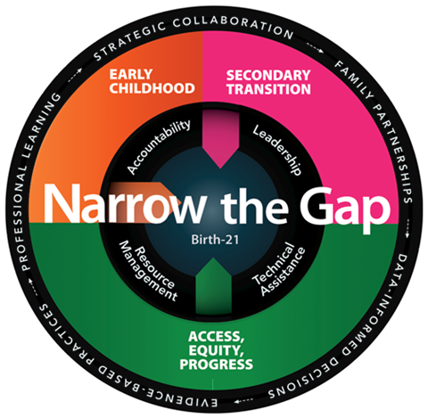

Marcella E. Franczkowski, M.S.
Assistant State Superintendent
Division of Early Intervention and Special Education Services
 |  |  |  | End Page.

